13.1 Scale Description
Exhibit 13.1: Instructional Time Spent on Science
Students’ Results based on Principals’ and Teachers’ Reports

 |  | About the Scale
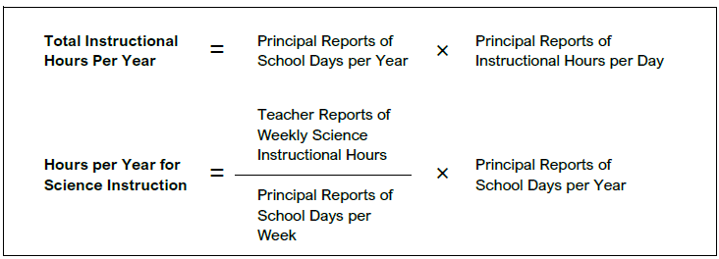

 | SOURCE: IEA's Trends in International Mathematics and Science Study - TIMSS 2019
 | Downloaded from http://timss2019.org/download

