11.15 Scale Description
Exhibit 11.15: Students Value Science
Students’ Reports

 |  | About the Scale
 |  | Students were scored according to their responses to nine statements on the Students Value Science scale. Cut scores divide the scale into three categories. Students who Strongly Value Science had a score at or above the cut score corresponding to “agreeing a lot” with five of the nine statements and “agreeing a little” with the other four, on average. Students who Do Not Value Science had a score at or below the cut score corresponding to “disagreeing a little” with five of the nine statements and “agreeing a little” with the other four, on average. All other students Somewhat Value Science.
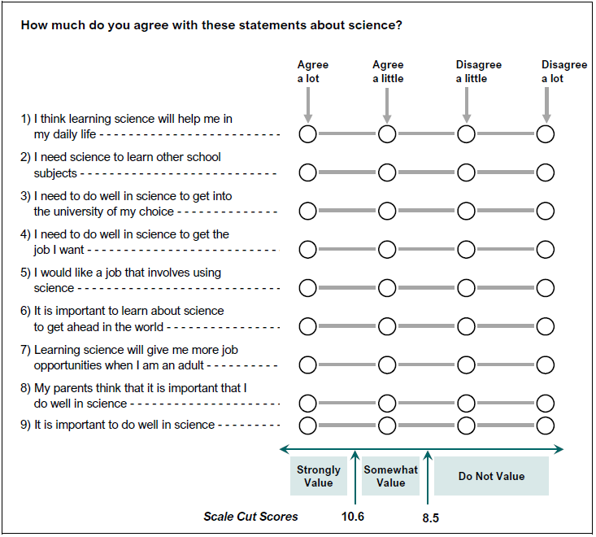

 | SOURCE: IEA's Trends in International Mathematics and Science Study - TIMSS 2019
 | Downloaded from http://timss2019.org/download

