Example 2
Exhibit 4.12.2: High International Benchmark of Science Achievement – Example Item 2

 |  | Country | Percent Full Credit |  |  |  | Content Domain: Chemistry
 |  |  |  |  |  |  | Cognitive Domain: Reasoning
 |  |  |  |  |  |  | Description: Explains the effect of temperature on diffusion in the context of an investigation
 | 2 | Russian Federation | 69 | (1.8) | p
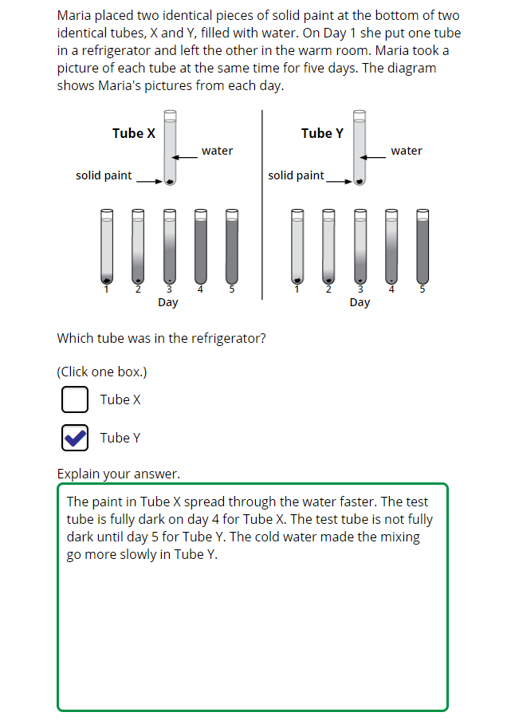
 |  | Japan | 67 | (2.0) | p
 | 2 | Singapore | 64 | (1.9) | p
 |  | Korea, Rep. of | 63 | (2.4) | p
 |  | Lithuania | 59 | (2.4) | p
 | † | United States | 55 | (1.9) | p
 | † | New Zealand | 52 | (1.8) | p
 |  | Chinese Taipei | 52 | (2.0) | p
 |  | Portugal | 51 | (2.8) | p
 |  | Hungary | 51 | (2.2) | p
 |  | Australia | 49 | (2.0) | p
 |  | Turkey | 49 | (2.4) | p
 |  | Ireland | 49 | (2.4) | p
 | 3 | Israel | 48 | (2.5) | p
 |  | Finland | 48 | (1.7) | p
 | 2 | Sweden | 45 | (2.6) | p
 | † | Hong Kong SAR | 40 | (2.4)
 | 2 | Kazakhstan | 40 | (2.8)
 |  | Bahrain | 39 | (1.9)
 |  | International Average | 39 | (0.3)
 |  | France | 38 | (2.3)
 |  | Chile | 35 | (2.3)
 |  | Qatar | 35 | (2.6)
 |  | Cyprus | 34 | (2.4)
 |  | Italy | 33 | (2.4) | s
 |  | Romania | 32 | (2.4) | s
 | † | Norway (9) | 32 | (2.1) | s
 |  | England | 31 | (2.5) | s
 |  | Morocco | 29 | (1.6) | s
 |  | Malaysia | 27 | (1.5) | s
 |  | Iran, Islamic Rep. of | 27 | (2.1) | s
 | 1 | Georgia | 27 | (2.9) | s
 |  | Oman | 26 | (1.7) | s
 |  | Kuwait | 23 | (1.7) | s
 |  | United Arab Emirates | 21 | (0.9) | s
 | 2 | Saudi Arabia | 20 | (1.4) | s
 |  | South Africa (9) | 20 | (0.9) | s
 |  | Jordan | 15 | (1.4) | s
 |  | Lebanon | 13 | (1.5) | s
 | 2 | Egypt | 5 | (0.7) | s
Benchmarking Participants
 | ‡ | Quebec, Canada | 63 | (2.5) | p
 |  | Moscow City, Russian Fed. | 59 | (2.3) | p
 |  | Ontario, Canada | 56 | (2.5) | p
 |  | Western Cape, RSA (9) | 37 | (1.8)
 |  | Gauteng, RSA (9) | 36 | (1.7) |  |  | The answer shown illustrates the type of response that would receive full credit (1 point).
 | 2 | Dubai, UAE | 35 | (2.0)
 |  | Abu Dhabi, UAE | 15 | (1.1) | s

 |  |  |  |  | p | Percent significantly higher than international average

 |  |  |  |  | s | Percent significantly lower than international average

 | See Appendix B.7 for target population coverage notes 1, 2, and 3. See Appendix B.10 for sampling guidelines and sampling participation notes †, ‡, and ≡. ( ) Standard errors appear in parentheses. Because of rounding some results may appear inconsistent.

 | SOURCE: IEA's Trends in International Mathematics and Science Study - TIMSS 2019
 | Downloaded from http://timss2019.org/download

Example 3
Exhibit 4.12.3: High International Benchmark of Science Achievement – Example Item 3

 |  | Country | Percent Full Credit |  |  |  | Content Domain: Physics
 |  |  |  |  |  |  | Cognitive Domain: Applying
 |  |  |  |  |  |  | Description: Applies knowledge of sound transmission to explain whether a ringing cell phone in a vacuum can be heard outside the vacuum chamber
 |  | Chinese Taipei | 78 | (1.8) | p
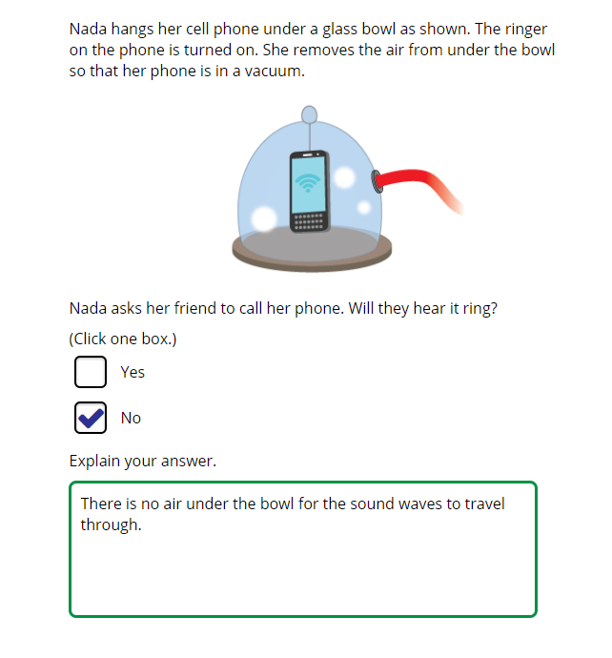
 |  | Turkey | 61 | (2.1) | p
 | 2 | Singapore | 59 | (2.5) | p
 |  | Japan | 56 | (2.2) | p
 |  | Lithuania | 56 | (2.8) | p
 |  | Korea, Rep. of | 53 | (2.6) | p
 |  | Malaysia | 52 | (2.0) | p
 | † | Hong Kong SAR | 51 | (3.3) | p
 |  | Qatar | 50 | (2.8) | p
 |  | Jordan | 46 | (2.3) | p
 | 2 | Sweden | 46 | (2.3) | p
 |  | France | 44 | (2.5) | p
 |  | Finland | 44 | (2.1) | p
 |  | Hungary | 43 | (2.2) | p
 | 2 | Russian Federation | 42 | (2.8)
 | 2 | Kazakhstan | 42 | (2.0)
 | 2 | Saudi Arabia | 41 | (2.2)
 | 1 | Georgia | 40 | (2.8)
 |  | United Arab Emirates | 39 | (1.1)
 |  | International Average | 38 | (0.4)
 |  | Portugal | 38 | (2.7)
 | † | United States | 37 | (2.3)
 |  | Cyprus | 36 | (2.4)
 |  | England | 35 | (2.8)
 |  | Oman | 33 | (1.9) | s
 |  | Australia | 33 | (2.1) | s
 |  | Kuwait | 33 | (2.8) | s
 |  | Ireland | 33 | (2.3) | s
 | 2 | Egypt | 32 | (2.0) | s
 | † | New Zealand | 31 | (2.1) | s
 |  | Romania | 30 | (2.3) | s
 |  | Morocco | 29 | (1.7) | s
 |  | Bahrain | 29 | (1.8) | s |  | The answer shown illustrates the type of response that would receive full credit (1 point).
 | 3 | Israel | 26 | (2.1) | s
 | † | Norway (9) | 26 | (2.0) | s
 |  | Italy | 22 | (2.3) | s
 |  | Lebanon | 19 | (1.7) | s
 |  | Iran, Islamic Rep. of | 15 | (1.4) | s
 |  | South Africa (9) | 11 | (0.7) | s
 |  | Chile | 7 | (1.3) | s
Benchmarking Participants
 |  | Moscow City, Russian Fed. | 73 | (2.2) | p
 | 2 | Dubai, UAE | 52 | (2.0) | p
 |  | Abu Dhabi, UAE | 32 | (1.7) | s
 | ‡ | Quebec, Canada | 28 | (2.7) | s
 |  | Ontario, Canada | 23 | (2.0) | s
 |  | Western Cape, RSA (9) | 22 | (1.6) | s
 |  | Gauteng, RSA (9) | 17 | (1.9) | s

 |  |  |  |  | p | Percent significantly higher than international average

 |  |  |  |  | s | Percent significantly lower than international average

 | See Appendix B.7 for target population coverage notes 1, 2, and 3. See Appendix B.10 for sampling guidelines and sampling participation notes †, ‡, and ≡. ( ) Standard errors appear in parentheses. Because of rounding some results may appear inconsistent.

 | SOURCE: IEA's Trends in International Mathematics and Science Study - TIMSS 2019
 | Downloaded from http://timss2019.org/download

