Example 1
Exhibit 3.13.1: Advanced International Benchmark of Mathematics Achievement – Example Item 1

 |  | Country | Percent Full Credit |  |  |  | Content Domain: Number
 |  |  |  |  |  |  | Cognitive Domain: Reasoning
 |  |  |  |  |  |  | Description: Solves a multistep problem involving addition and subtraction of fractions
 |  | Chinese Taipei | 53 | (2.0) | p
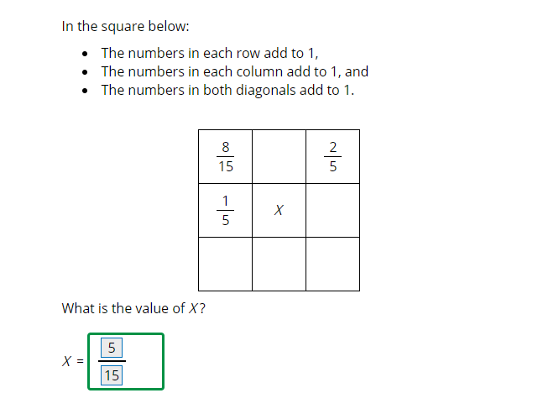
 |  | Korea, Rep. of | 52 | (2.3) | p
 |  | Japan | 47 | (2.1) | p
 | 2 | Singapore | 46 | (2.1) | p
 |  | Bahrain | 30 | (1.6) | p
 |  | Cyprus | 28 | (2.3) | p
 | 2 | Russian Federation | 26 | (2.5) | p
 | † | Hong Kong SAR | 24 | (2.8) | p
 |  | Ireland | 23 | (2.1) | p
 |  | Hungary | 22 | (1.9) | p
 | 3 | Israel | 22 | (2.2)
 |  | England | 22 | (2.8)
 |  | Australia | 21 | (1.8)
 | 2 | Kazakhstan | 19 | (1.9)
 |  | International Average | 18 | (0.3)
 |  | Turkey | 18 | (1.8)
 |  | Iran, Islamic Rep. of | 17 | (1.9)
 | † | United States | 17 | (1.4)
 |  | Romania | 17 | (1.8)
 | † | New Zealand | 16 | (1.1)
 |  | Lithuania | 16 | (1.8)
 |  | United Arab Emirates | 14 | (1.0) | s
 |  | Portugal | 14 | (1.8) | s
 | 2 | Sweden | 13 | (1.8) | s
 |  | Finland | 13 | (1.4) | s |  | The answer shown illustrates the type of response that would receive full credit (1 point).
 | † | Norway (9) | 10 | (1.4) | s
 |  | France | 10 | (1.4) | s
 | 2 | Egypt | 10 | (1.3) | s
 |  | Qatar | 8 | (1.4) | s
 |  | Malaysia | 8 | (0.9) | s
 |  | Italy | 7 | (1.2) | s
 |  | Chile | 6 | (1.0) | s
 |  | Jordan | 6 | (1.1) | s
 |  | Kuwait | 6 | (1.3) | s
 |  | Oman | 6 | (0.8) | s
 |  | South Africa (9) | 5 | (0.5) | s
 |  | Lebanon | 5 | (1.2) | s
 |  | Morocco | 4 | (0.7) | s
 | 2 | Saudi Arabia | 4 | (0.9) | s
 | 1 | Georgia | - | -
Benchmarking Participants
 |  | Moscow City, Russian Fed. | 37 | (2.9) | p
 | 2 | Dubai, UAE | 25 | (2.2) | p
 |  | Ontario, Canada | 20 | (2.4)
 | ‡ | Quebec, Canada | 18 | (1.9)
 |  | Western Cape, RSA (9) | 12 | (1.7) | s
 |  | Abu Dhabi, UAE | 10 | (1.1) | s
 |  | Gauteng, RSA (9) | 7 | (1.1) | s

 |  |  |  |  | p | Percent significantly higher than international average

 |  |  |  |  | s | Percent significantly lower than international average

 | See Appendix B.7 for population coverage notes 1, 2, and 3. See Appendix B.10 for sampling guidelines and sampling participation notes †, ‡, and ≡. ( ) Standard errors appear in parentheses. Because of rounding some results may appear inconsistent. A dash (-) indicates comparable data not available.

 | SOURCE: IEA's Trends in International Mathematics and Science Study - TIMSS 2019
 | Downloaded from http://timss2019.org/download

Example 4
Exhibit 3.13.4: Advanced International Benchmark of Mathematics Achievement – Example Item 4

 |  | Country | Percent Correct |  |  |  | Content Domain: Data and Probability
 |  |  |  |  |  |  | Cognitive Domain: Applying
 |  |  |  |  |  |  | Description: Determines the change in a mean given changes in individual scores
 |  | Korea, Rep. of | 71 | (1.9) | p
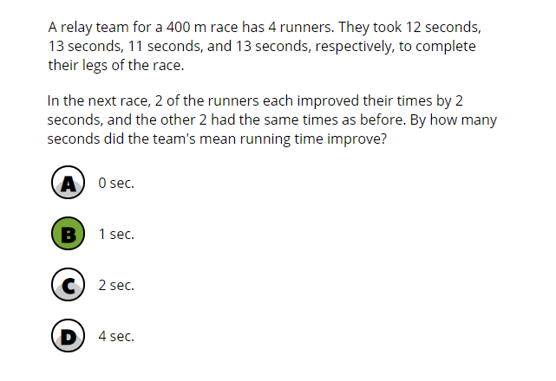
 |  | Japan | 70 | (1.9) | p
 |  | Chinese Taipei | 69 | (1.8) | p
 | 2 | Singapore | 66 | (2.1) | p
 | † | Hong Kong SAR | 64 | (2.4) | p
 | † | Norway (9) | 52 | (2.6) | p
 | 3 | Israel | 47 | (2.3) | p
 |  | Finland | 47 | (2.0) | p
 | 2 | Sweden | 47 | (2.4) | p
 |  | Lithuania | 46 | (2.7) | p
 | 2 | Russian Federation | 44 | (3.1) | p
 |  | Australia | 43 | (1.9) | p
 |  | Ireland | 42 | (2.4) | p
 | † | United States | 41 | (1.6) | p
 |  | Hungary | 38 | (2.7)
 |  | France | 38 | (2.1)
 |  | Portugal | 37 | (2.4)
 |  | Turkey | 37 | (2.1)
 |  | Italy | 37 | (2.1)
 |  | International Average | 36 | (0.3)
 |  | Cyprus | 36 | (2.1)
 | † | New Zealand | 35 | (1.8)
 |  | England | 35 | (2.6)
 | 2 | Kazakhstan | 32 | (2.1) | s
 |  | United Arab Emirates | 30 | (1.0) | s
 |  | Bahrain | 28 | (2.0) | s
 |  | Chile | 27 | (2.6) | s
 |  | Malaysia | 26 | (1.4) | s
 |  | Qatar | 25 | (2.1) | s
 |  | Iran, Islamic Rep. of | 24 | (2.0) | s
 | 1 | Georgia | 24 | (2.3) | s
 |  | Romania | 23 | (2.1) | s
 |  | Morocco | 21 | (1.3) | s
 | 2 | Egypt | 20 | (1.6) | s
 |  | Oman | 20 | (1.3) | s
 |  | Kuwait | 19 | (1.9) | s
 | 2 | Saudi Arabia | 18 | (1.2) | s
 |  | Jordan | 17 | (1.8) | s
 |  | Lebanon | 11 | (1.5) | s
 |  | South Africa (9) | 10 | (0.7) | s
Benchmarking Participants
 |  | Moscow City, Russian Fed. | 53 | (2.3) | p
 | ‡ | Quebec, Canada | 51 | (2.6) | p
 | 2 | Dubai, UAE | 40 | (2.3)
 |  | Ontario, Canada | 39 | (2.6)
 |  | Abu Dhabi, UAE | 25 | (1.5) | s
 |  | Western Cape, RSA (9) | 18 | (1.6) | s
 |  | Gauteng, RSA (9) | 13 | (1.2) | s

 |  |  |  |  | p | Percent significantly higher than international average

 |  |  |  |  | s | Percent significantly lower than international average

 | See Appendix B.7 for population coverage notes 1, 2, and 3. See Appendix B.10 for sampling guidelines and sampling participation notes †, ‡, and ≡. ( ) Standard errors appear in parentheses. Because of rounding some results may appear inconsistent.

 | SOURCE: IEA's Trends in International Mathematics and Science Study - TIMSS 2019
 | Downloaded from http://timss2019.org/download

