Example 3
Exhibit 3.12.3: High International Benchmark of Mathematics Achievement – Example Item 3

 |  | Country | Percent Full Credit |  |  |  | Content Domain: Geometry
 |  |  |  |  |  |  | Cognitive Domain: Reasoning
 |  |  |  |  |  |  | Description: Compares properties of two open cylinders made by rolling the same rectangle in different directions
 |  | Japan | 79 | (1.7) | p
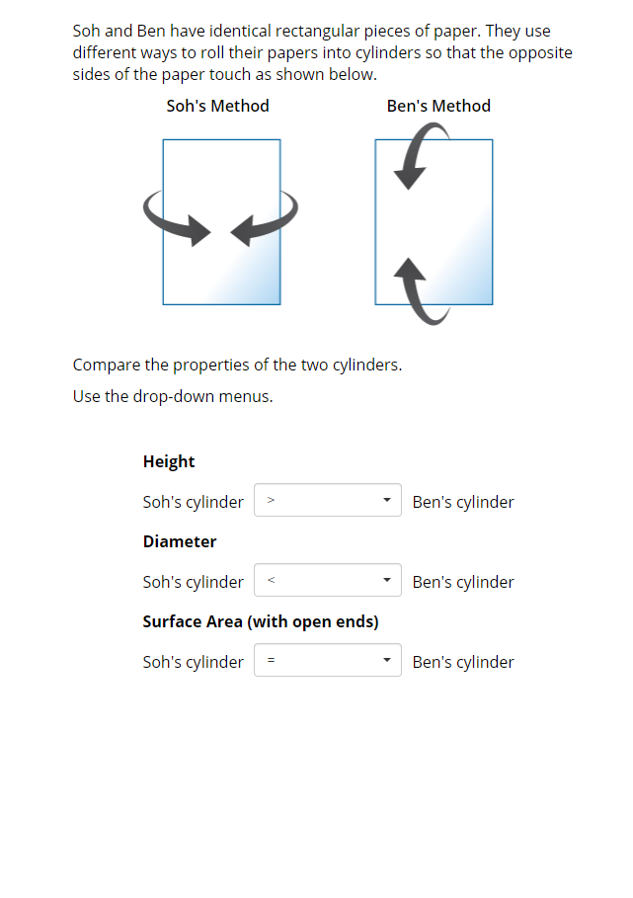
>
<
=
 | 2 | Singapore | 70 | (1.7) | p
 | † | Hong Kong SAR | 66 | (2.5) | p
 |  | Korea, Rep. of | 64 | (2.5) | p
 |  | Italy | 59 | (2.7) | p
 |  | Lithuania | 58 | (2.6) | p
 |  | Hungary | 57 | (2.4) | p
 |  | Chinese Taipei | 53 | (2.2) | p
 | 2 | Russian Federation | 52 | (2.5) | p
 | † | United States | 51 | (2.3) | p
 | 3 | Israel | 49 | (2.2) | p
 |  | England | 48 | (2.5) | p
 |  | Portugal | 48 | (2.7) | p
 |  | Turkey | 47 | (2.0) | p
 |  | Finland | 44 | (2.0)
 |  | Malaysia | 42 | (1.9)
 |  | France | 42 | (2.0)
 |  | International Average | 41 | (0.3)
 | † | Norway (9) | 41 | (2.5)
 |  | Bahrain | 40 | (2.0)
 |  | Cyprus | 40 | (2.2)
 | 2 | Kazakhstan | 39 | (2.3)
 |  | Chile | 39 | (2.2)
 |  | Romania | 39 | (2.4)
 |  | United Arab Emirates | 38 | (1.1) | s
 | 2 | Sweden | 38 | (2.5)
 |  | Ireland | 35 | (2.2) | s
 |  | Qatar | 33 | (2.1) | s
 |  | Iran, Islamic Rep. of | 32 | (2.0) | s
 |  | Oman | 28 | (1.8) | s
 |  | Australia | 28 | (1.7) | s
 | 1 | Georgia | 27 | (2.3) | s
 |  | Jordan | 27 | (2.1) | s
 |  | Kuwait | 26 | (2.1) | s
 | 2 | Egypt | 23 | (1.8) | s
 |  | Morocco | 22 | (1.4) | s
 | † | New Zealand | 21 | (1.4) | s
 |  | South Africa (9) | 21 | (0.9) | s |  | The answer shown illustrates the type of response that would receive full credit (1 point).
 |  | Lebanon | 20 | (2.1) | s
 | 2 | Saudi Arabia | 10 | (1.2) | s
Benchmarking Participants
 |  | Moscow City, Russian Fed. | 64 | (1.9) | p
 |  | Ontario, Canada | 60 | (2.9) | p
 | 2 | Dubai, UAE | 49 | (2.9) | p
 | ‡ | Quebec, Canada | 46 | (3.0)
 |  | Abu Dhabi, UAE | 35 | (1.5) | s
 |  | Western Cape, RSA (9) | 27 | (1.9) | s
 |  | Gauteng, RSA (9) | 27 | (1.7) | s

 |  |  |  |  | p | Percent significantly higher than international average

 |  |  |  |  | s | Percent significantly lower than international average

 | See Appendix B.7 for population coverage notes 1, 2, and 3. See Appendix B.10 for sampling guidelines and sampling participation notes †, ‡, and ≡. ( ) Standard errors appear in parentheses. Because of rounding some results may appear inconsistent.

 | SOURCE: IEA's Trends in International Mathematics and Science Study - TIMSS 2019
 | Downloaded from http://timss2019.org/download

Example 4
Exhibit 3.12.4: High International Benchmark of Mathematics Achievement – Example Item 4

 |  | Country | Percent Full Credit |  |  |  | Content Domain: Data and Probability
 |  |  |  |  |  |  | Cognitive Domain: Applying
 |  |  |  |  |  |  | Description: Identifies an appropriate graph for three different types of data
 |  | Japan | 83 | (1.2) | p
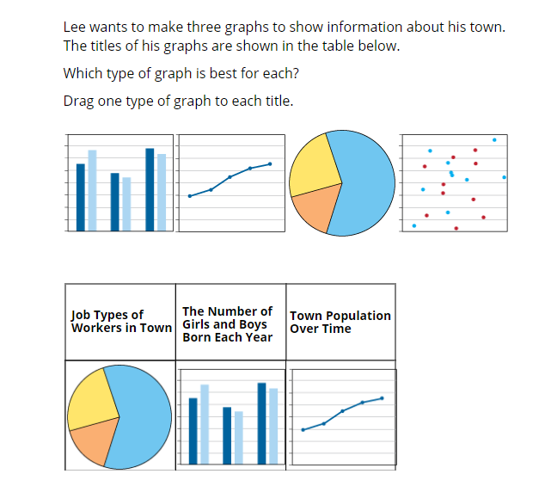
 | 2 | Singapore | 76 | (1.8) | p
 |  | Chinese Taipei | 68 | (1.8) | p
 |  | Korea, Rep. of | 67 | (2.2) | p
 |  | Ireland | 64 | (2.2) | p
 |  | Australia | 64 | (2.1) | p
 |  | Portugal | 63 | (2.8) | p
 |  | England | 61 | (2.7) | p
 | † | Hong Kong SAR | 61 | (2.5) | p
 |  | Hungary | 58 | (2.6) | p
 |  | Lithuania | 58 | (2.2) | p
 | † | Norway (9) | 58 | (2.8) | p
 |  | Turkey | 58 | (1.9) | p
 |  | France | 54 | (2.3) | p
 |  | Finland | 54 | (2.0) | p
 | 2 | Russian Federation | 54 | (2.9) | p
 | † | New Zealand | 53 | (2.4) | p
 | † | United States | 53 | (2.2) | p
 | 3 | Israel | 52 | (2.0) | p
 |  | Italy | 51 | (2.5)
 |  | Cyprus | 50 | (2.6)
 |  | International Average | 47 | (0.3)
 |  | Bahrain | 45 | (1.8)
 | 2 | Sweden | 45 | (2.3)
 |  | Malaysia | 43 | (1.8) | s
 |  | United Arab Emirates | 40 | (0.9) | s
 |  | Romania | 38 | (2.5) | s
 |  | Chile | 37 | (2.2) | s
 |  | Oman | 37 | (2.0) | s
 |  | Qatar | 34 | (2.5) | s |  | The answer shown illustrates the type of response that would receive full credit (1 point).
 |  | Kuwait | 33 | (2.8) | s
 | 2 | Kazakhstan | 31 | (2.0) | s
 | 2 | Saudi Arabia | 29 | (2.0) | s
 |  | Jordan | 26 | (2.2) | s
 |  | South Africa (9) | 25 | (1.1) | s
 |  | Iran, Islamic Rep. of | 25 | (1.9) | s
 |  | Lebanon | 22 | (2.1) | s
 |  | Morocco | 21 | (1.3) | s
 | 1 | Georgia | 20 | (1.8) | s
 | 2 | Egypt | 18 | (1.4) | s
Benchmarking Participants
 |  | Moscow City, Russian Fed. | 69 | (2.5) | p
 |  | Ontario, Canada | 66 | (2.3) | p
 | ‡ | Quebec, Canada | 65 | (2.5) | p
 | 2 | Dubai, UAE | 59 | (1.8) | p
 |  | Western Cape, RSA (9) | 39 | (2.0) | s
 |  | Gauteng, RSA (9) | 33 | (1.6) | s
 |  | Abu Dhabi, UAE | 31 | (1.4) | s

 |  |  |  |  | p | Percent significantly higher than international average

 |  |  |  |  | s | Percent significantly lower than international average

 | See Appendix B.7 for population coverage notes 1, 2, and 3. See Appendix B.10 for sampling guidelines and sampling participation notes †, ‡, and ≡. ( ) Standard errors appear in parentheses. Because of rounding some results may appear inconsistent.

 | SOURCE: IEA's Trends in International Mathematics and Science Study - TIMSS 2019
 | Downloaded from http://timss2019.org/download

